Current Year FTEs
Calculation of Full-Time Equivalents ("FTEs") during 8-week period

 | Note: | An FTE is assumed to be someone that works 30 or more hours in a week. See calculation
 |  | in image to the right regarding part-time ("PTs") workers. More detail can be found at the link below.
 |  | https://gusto.com/blog/health-insurance/how-calculate-fte-employee-number

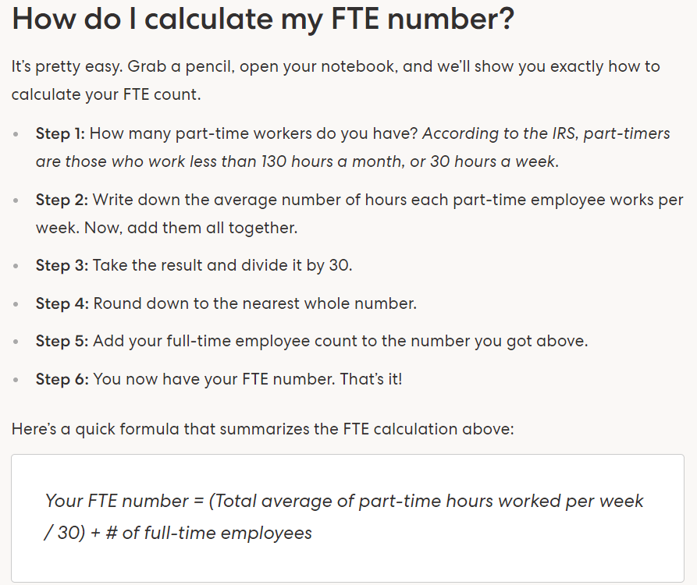
 | Pay Date | FTEs | PTs Hours | PTs FTE | Total FTE
 |  |  |  | -
 |  |  |  | -
 |  |  |  | -
 |  |  |  | -
 |  |  |  | -
 |  |  |  | -
 |  |  |  | -
 |  |  |  | -
 |  |  |  | Avg. | -

